01 Executive Summary
MAIN KE KUDUS - YOUTUBE MONTHLY PERFORMANCE REPORT - SEPTEMBER 2026

VIDEOS PUBLISHED |  | TOTAL VIEWS | WATCH TIME (HOURS) | SUBSCRIBERS |  | IMPRESSIONS |  | DELIVERY
4 |  | 732 | 12.2 | +5 |  | 6,203 |  | 100%

TOP PERFORMING CONTENT
Caffino Srikandi Merdeka Cup 2026 (Recap) |  |  |  | VIEWS |  | SHARE OF VIEWS |  | SUBSCRIBERS
 |  |  |  | 350 |  | 47.8% |  | +1

WHAT THE DATA SAYS
Caffino Srikandi Merdeka Cup 2026 (Recap) drove 47.8% of September video views and 67.0% of watch time.
Sapphire Boutique Hotel | Esthetic Staycation di Kudus recorded the highest thumbnail CTR at 8.21% among the four published videos.
Sapphire Boutique Hotel | Esthetic Staycation di Kudus generated the most subscribers (+4), accounting for 80% of video-attributed subscriber gains.

PRODUCTION PERIOD |  | LANDSCAPE VIDEOS PRODUCED | YOUTUBE PUBLISHED | SEPTEMBER YOUTUBE PUBLISHED |  | REMAINING LANDSCAPE ASSETS |  | REPORTING SCOPE
5–10 JUN 2026 |  | 13 | 5 | 4 |  | 4 |  | YOUTUBE

DELIVERY & PERFORMANCE SNAPSHOT
Content
Content

Content Mix | Published | Share |  |  | Category Mix | Published | Share
Editorial Feature | 3 | 75% |  |  | Event | 1 | 25%
Recap | 1 | 25% |  |  | Accommodation | 1 | 25%
Teaser | 0 | 0% |  |  | Profile | 1 | 25%
Total | 4 | 100% |  |  | Venue | 1 | 25%
 |  |  |  |  | Published | 4 | 100%

September performance covers 4 published YouTube videos from a June production batch of 13 landscape video assets. Four landscape assets remain in the content pipeline. Portrait video production is reported separately in the Monthly Social Media Report.

05 Youtube Studio Analytics
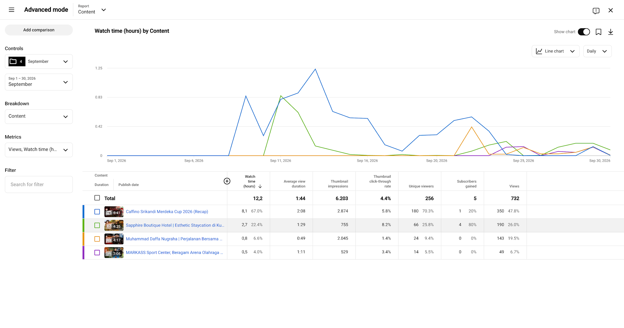
YOUTUBE STUDIO ANALYTICS SCREENSHOTS

